Specification
 |  |  |  |  |  |  |  |  |  |  |  |  |  |  |  |  | 1264
SEASON | ARTICLE | IMAGE 1 | IMAGE 2 | IMAGE 3 | COLOR | COLOR DESCRIPTION | PRODUCT NAME | SUPPL. DESCRIPTION | COMPOSITION 1 | PARENT GROUP | GENDER | BRAND | MADE IN | WHS | RRP | COUNT | QTY | SM | MD | LG | XL | XXL
FW 2023 | 1373358 | 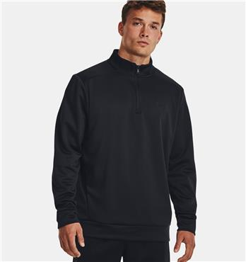 | 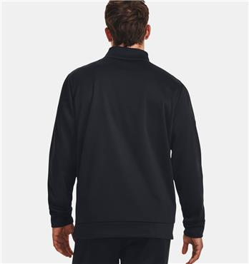 | 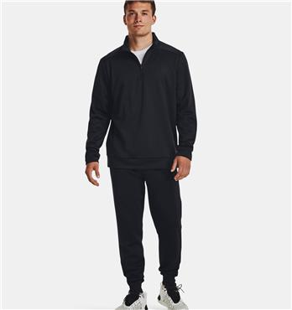 | 001 | BLACK | SWEATSHIRT | UA ARMOUR FLEECE 1/4 ZIP-NVY | 100% POLYESTER | ADULT | MALE | UNDER ARMOUR | EGYPT | €30.00 | €60.00 | 4 | 90 |  | 30 | 30 | 20 | 10
FW 2023 | 1373358 | 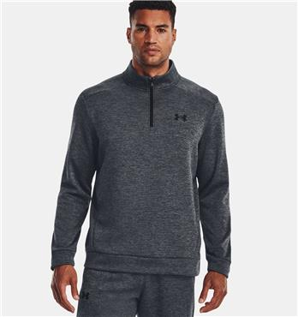 | 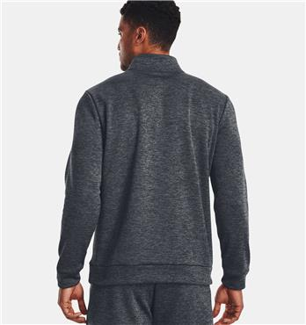 | 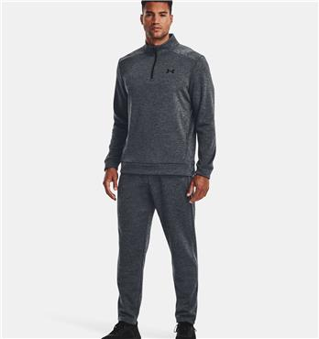 | 012 | GRAY | SWEATSHIRT | UA ARMOUR FLEECE 1/4 ZIP-NVY | 100% POLYESTER | ADULT | MALE | UNDER ARMOUR | EGYPT | €30.00 | €60.00 | 4 | 80 |  | 20 | 30 | 20 | 10
FW 2023 | 1379755 | 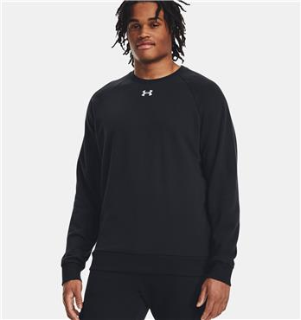 | 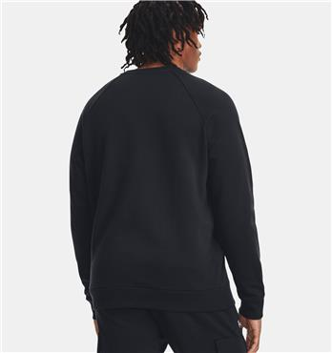 | 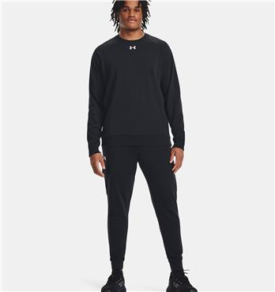 | 001 | BLACK | SWEATSHIRT | UA RIVAL FLEECE CREW-NVY | 80% COTTON 20% POLYESTER | ADULT | MALE | UNDER ARMOUR | MALAYSIA | €27.50 | €55.00 | 4 | 160 |  | 50 | 50 | 40 | 20
FW 2023 | 1320128 | 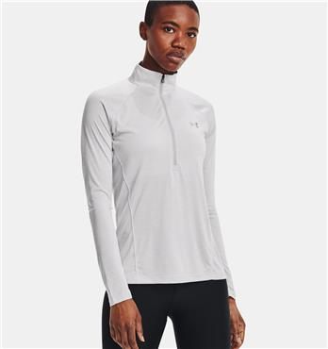 | 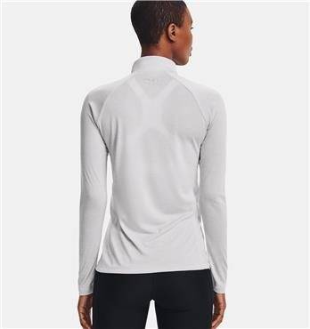 | 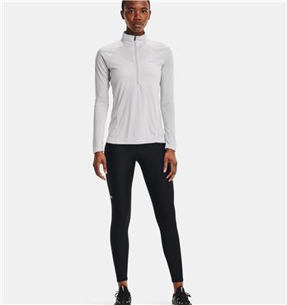 | 014 | GRAY | T-SHIRT LONG SLEEVE | TECH 1/2 ZIP - TWIST-PNK | 100% POLYESTER | ADULT | FEMALE | UNDER ARMOUR | JORDAN | €22.50 | €45.00 | 4 | 90 | 30 | 30 | 20 | 10
FW 2023 | 1320128 | 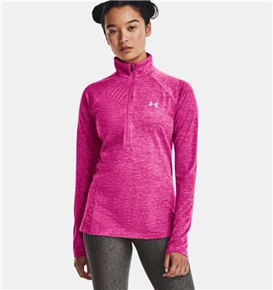 | 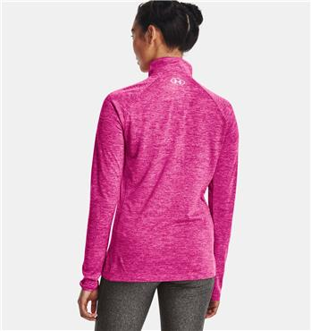 | 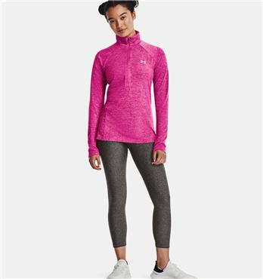 | 652 | PINK | T-SHIRT LONG SLEEVE | TECH 1/2 ZIP - TWIST-PNK | 100% POLYESTER | ADULT | FEMALE | UNDER ARMOUR | JORDAN | €22.50 | €45.00 | 4 | 100 | 30 | 40 | 20 | 10
FW 2023 | 1365336 | 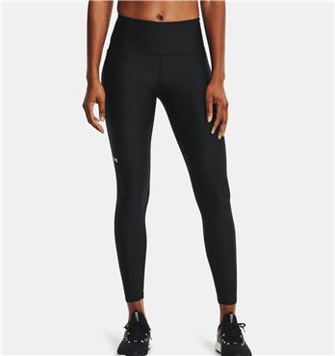 | 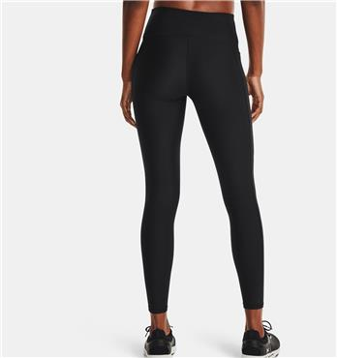 | 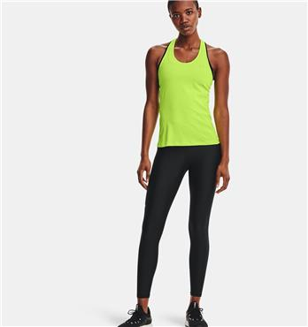 | 001 | BLACK | LEGGINGS | ARMOUR HIRISE LEG-GRY | 87% POLYESTER 13% ELASTANE | ADULT | FEMALE | UNDER ARMOUR | CAMBODIA | €25.00 | €50.00 | 4 | 210 | 70 | 70 | 50 | 20
FW 2023 | 1365336 | 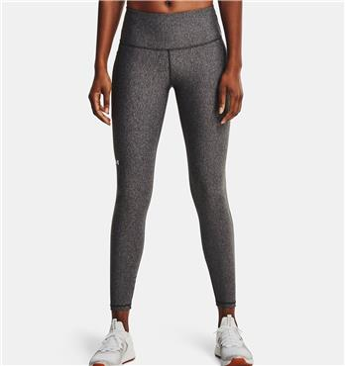 | 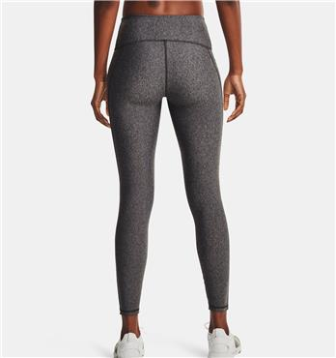 | 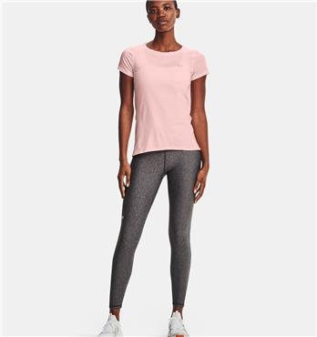 | 019 | GRAY | LEGGINGS | ARMOUR HIRISE LEG-GRY | 87% POLYESTER 13% ELASTANE | ADULT | FEMALE | UNDER ARMOUR | CAMBODIA | €25.00 | €50.00 | 4 | 120 | 40 | 40 | 30 | 10
FW 2023 | 1365336 | 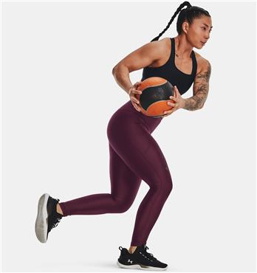 | 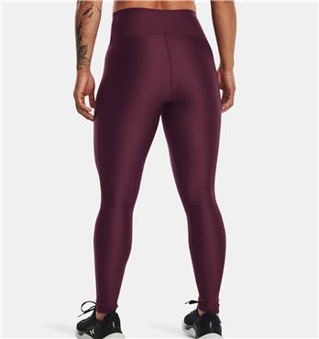 | 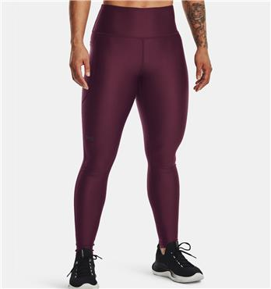 | 600 | DARK MAROON | LEGGINGS | ARMOUR HIRISE LEG-GRY | 87% POLYESTER 13% ELASTANE | ADULT | FEMALE | UNDER ARMOUR | CAMBODIA | €25.00 | €50.00 | 4 | 84 | 4 | 40 | 30 | 10
FW 2023 | 1379438 | 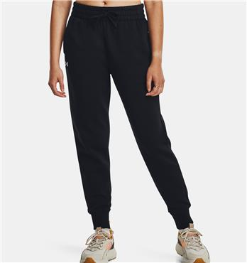 | 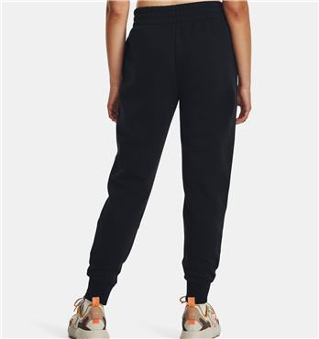 | 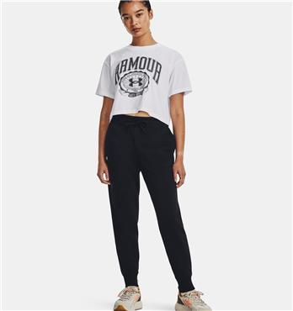 | 001 | BLACK | SPORT PANTS | UA RIVAL FLEECE JOGGER-GRY | 80% COTTON 20% POLYESTER | ADULT | FEMALE | UNDER ARMOUR | MALAYSIA | €27.50 | €55.00 | 4 | 150 | 50 | 50 | 40 | 10
FW 2023 | 1379438 | 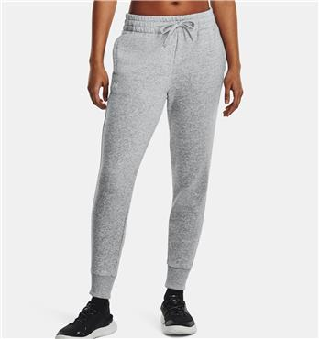 | 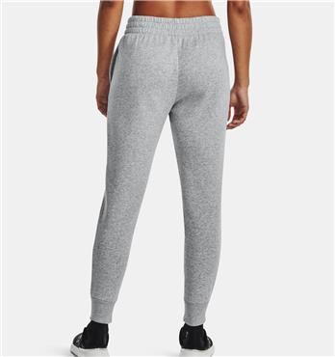 | 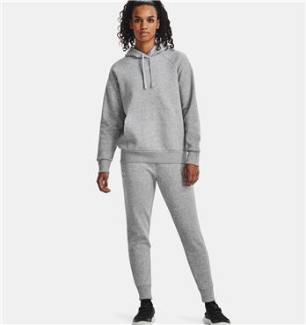 | 012 | GRAY | SPORT PANTS | UA RIVAL FLEECE JOGGER-GRY | 80% COTTON 20% POLYESTER | ADULT | FEMALE | UNDER ARMOUR | MALAYSIA | €27.50 | €55.00 | 4 | 90 | 30 | 30 | 20 | 10
FW 2023 | 1379438 | 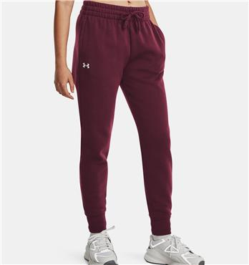 | 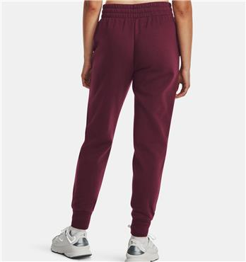 | 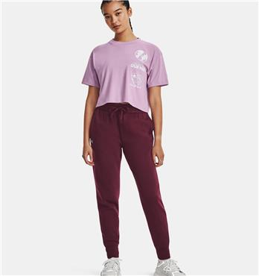 | 600 | DARK MAROON | SPORT PANTS | UA RIVAL FLEECE JOGGER-GRY | 80% COTTON 20% POLYESTER | ADULT | FEMALE | UNDER ARMOUR | MALAYSIA | €27.50 | €55.00 | 4 | 90 | 30 | 30 | 20 | 10

